Sheet2
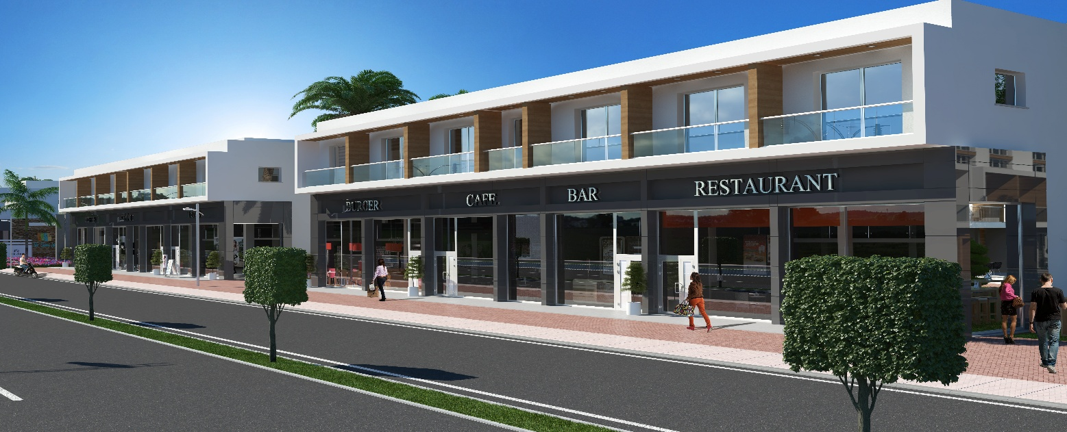
Dükkanlar | Blok | no | m2 | teras | fiyat (gbp)
dükkan | 1 | 1 | 363.3 | 50 | £290,000.00
dükkan | 1 | 2 | 338.3 | 50 | £270,000.00
dükkan | 1 | 3 | 219.8 | 25 | £175,000.00
dükkan | 1 | 4 | 131.3 | 25 | £110,000.00
dükkan | 1 | 5 | 111.3 | 25 | £95,000.00
dükkan | 1 | 6 | 224.8 | 25 | sold

dükkan | 2 | 7 | 224.8 | 25 | £178,000.00
dükkan | 2 | 8 | 111.3 | 25 | £95,000.00
dükkan | 2 | 9 | 131.3 | 25 | £110,000.00
dükkan | 2 | 10 | 219.8 | 25 | £175,000.00
dükkan | 2 | 11 | 338.3 | 50 | £270,000.00
dükkan | 2 | 12 | 363.3 | 50 | £290,000.00

